BSPT & ISO 7
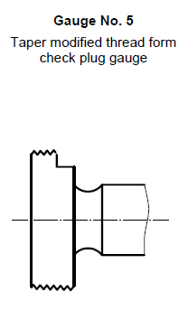
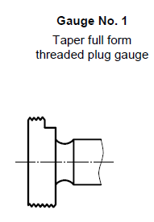
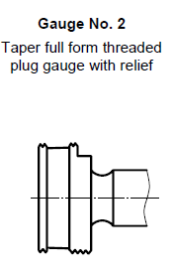
 |  |  |  |  |  |  |  | ISO 7, Tables 2,3,6 and Section 7.1.1.1 |  |  |  | Nominal PD if made after 2000 |  | Wear tolerance (-)
BSPT |  |  |  |  |  |  |  | Designation of Thread | TPI | D2 (mm) | Tpl (µm) | Go pd? | No Go pd? | µm | mm
1.5-11 | PD | Tolerance | Min | Max | Reading | Calculated PD (2.5 lb) |  | 1/16 | 28 | 7.142 | 8 | 7.146 | 7.154 | 14 | 0.014
System A | 1.7925 | ±.0003 | 1.7923 | 1.7928 | 2.8777 | 1.79987 |  | 1/8 | 28 | 9.147 | 8 | 9.151 | 9.159 | 14 | 0.014
System B | 1.7783 | ±.0003 | 1.778 | 1.7786 | 2.289018 | 1.21090 | Find spec for tolerances | 1/4 | 19 | 12.301 | 8 | 12.305 | 12.313 | 21 | 0.021
 |  |  |  |  |  |  |  | 3/8 | 19 | 15.806 | 8 | 15.81 | 15.818 | 21 | 0.021
1-11 RC | PD | Tolerance | Min | Max | Reading | Calculated PD (2.5 lb) |  | 1/2 | 14 | 19.793 | 10 | 19.798 | 19.808 | 28 | 0.028
System B | 1.21093 | ±.0003 | 1.21063 | 1.21123 | 2.28913 | 1.2110156933 |  | 3/4 | 14 | 25.279 | 10 | 25.284 | 25.294 | 28 | 0.028
 |  |  |  |  |  |  |  | 1 | 11 | 31.77 | 12 | 31.776 | 31.788 | 36 | 0.036
 |  |  |  |  |  |  |  | 1 1/4 | 11 | 40.431 | 12 | 40.437 | 40.449 | 36 | 0.036
Size | PD | Tolerance | Min | Max | Reading | Calculated PD (2.5 lb) |  | 1 1/2 | 11 | 46.324 | 12 | 46.33 | 46.342 | 36 | 0.036
1-11 BSPT | 1.2252 | ±.0003 | 1.2249 | 1.2255 | 2.28913 | 1.2110156933 |  | 2 | 11 | 58.135 | 12 | 58.141 | 58.153 | 36 | 0.036
2-11 BSPT | 2.25 | ±.0003 | 2.2497 | 2.2503 |  | -1.0792365303 | Magic Circle 134060 | 2 1/2 | 11 | 73.705 | 16 | 73.713 | 73.729 | 36 | 0.036
 |  |  |  |  |  |  |  | 3 | 11 | 86.405 | 16 | 86.413 | 86.429 | 36 | 0.036
 |  |  |  |  |  |  |  | 4 | 11 | 111.551 | 16 | 111.559 | 111.575 | 36 | 0.036
Note: Send ISO7-R2, ISO7RC-1 out to GACO. We can't check them here. |  |  |  |  |  |  |  | 5 | 11 | 136.951 | 16 | 136.959 | 136.975 | 36 | 0.036
 |  |  |  |  |  |  |  | 6 | 11 | 162.351 | 16 | 162.359 | 162.375 | 36 | 0.036
 |  |  |  |  |  |  |  |  |  |  |  |  | D2+Tpl-(0.5*Tpl) | D2+Tpl+(0.5*Tpl)

Buttress Threads
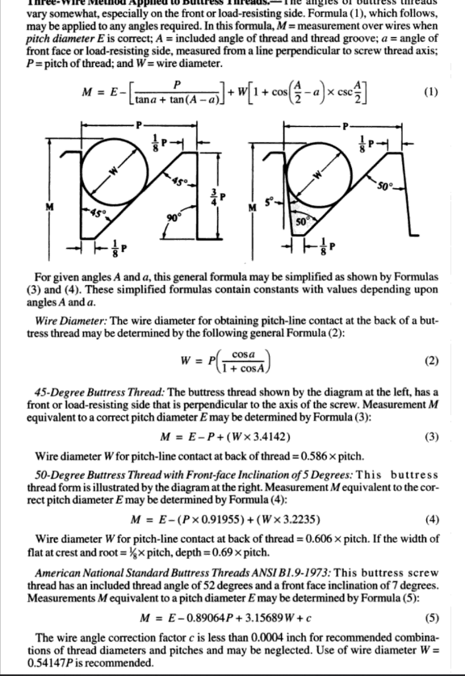
If you know the TPI and what wires to use, Start Here
TPI | Wire Size
16 | 0.03606
Supermic Reading
3.39604
PD - (use this for logs)
3.33787
*Note: To enter nominal size either enter decimal or enter fraction with = in front

If we don't have the right size wires and you know the TPI, use this to find best wire size
In case TPI isn't listed, | Pitch | TPI
enter pitch here to get TPI --> | 0.1 | 10

If we don't have the right size wires and you know the TPI, Start Here
In case wire size isn't listed, | Pitch | Best Wires (Diameter)
look here ---> | 0.06250 | 0.032278

See Below For Details. Information for the above formula comes from ANSI B1.9-1973

